1
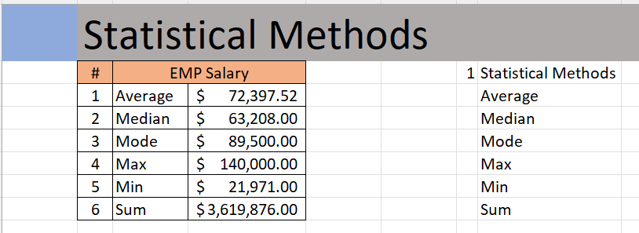
 | Statistical Methods
 | # | EMP Salary
 | 1 | Average | $72,397.52
 | 2 | Median | $63,208.00
 | 3 | Mode | $89,500.00
 | 4 | Max | $140,000.00
 | 5 | Min | $21,971.00
 | 6 | Sum | $3,619,876.00

Outcome should be as below

5
 | Calculate Bonus based on %

 | Employee ID | Department | Employee | Country | Yearly Sal | Bonus | Bonus Amount | * formulas are located on row 5
 | ID18 | Sales | James Willard | Australia | $60,270.00 | 0% | $-
 | ID8 | Sales | Robert Spear | Netherlands | $39,627.00 | 23% | $9,114.21
 | ID24 | Sales | Paul Garza | USA | $29,726.00 | 10% | $2,972.60
 | ID23 | Sales | Tommy Lee | USA | $93,668.00 | 0% | $-
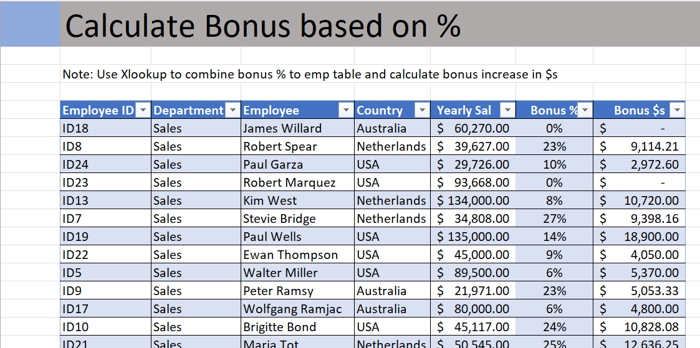
 | ID13 | Sales | Kim West | Netherlands | $134,000.00 | 8% | $10,720.00
 | ID7 | Sales | Stevie Bridge | Netherlands | $34,808.00 | 27% | $9,398.16
 | ID19 | Sales | Paul Wells | USA | $135,000.00 | 14% | $18,900.00
 | ID22 | Sales | Ewan Thompson | USA | $45,000.00 | 9% | $4,050.00
 | ID5 | Sales | Walter Miller | USA | $89,500.00 | 6% | $5,370.00
 | ID9 | Sales | Peter Ramsy | Australia | $21,971.00 | 23% | $5,053.33
 | ID17 | Sales | Wolfgang Ramjac | Australia | $80,000.00 | 6% | $4,800.00
 | ID10 | Sales | Brigitte Bond | USA | $45,117.00 | 24% | $10,828.08
 | ID21 | Sales | Maria Tot | Netherlands | $50,545.00 | 25% | $12,636.25
Output should look like below | ID3 | Procurement | Natalie Porter | USA | $140,000.00 | 10% | $14,000.00
 | ID29 | Procurement | Andre Cooper | Netherlands | $110,000.00 | 18% | $19,800.00
 | ID30 | Procurement | Robert Musser | USA | $68,357.00 | 0% | $-
 | ID14 | Procurement | Ann Withers | Australia | $51,800.00 | 9% | $4,662.00
 | ID16 | Procurement | Corinna Schmidt | USA | $97,000.00 | 19% | $18,430.00
 | ID27 | Procurement | Mike Saban | USA | $45,000.00 | 18% | $8,100.00
 | ID4 | Finance | Gary Miller | Australia | $89,500.00 | 24% | $21,480.00
 | ID12 | Finance | Richard Elliot | USA | $35,971.00 | 14% | $5,035.94
 | ID20 | Finance | Roger Mun | Netherlands | $80,000.00 | 25% | $20,000.00
 | ID28 | Finance | Daniel Garrett | USA | $55,117.00 | 0% | $-
 | ID25 | Finance | Paul Hill | Australia | $58,445.00 | 25% | $14,611.25
 | ID1 | Finance | Crystal Doyle | USA | $120,000.00 | 21% | $25,200.00
 | ID15 | Finance | Betina Bauer | USA | $45,117.00 | 17% | $7,669.89
 | ID2 | Finance | Daniela Schreiber | Netherlands | $50,545.00 | 0% | $-
 | ID11 | Finance | Dan Ziegler | Australia | $140,000.00 | 20% | $28,000.00
 | ID26 | Finance | Robert Richardson | USA | $90,000.00 | 25% | $22,500.00
 | ID6 | Finance | Robert Blume | Netherlands | $88,357.00 | 0% | $-
 | ID31 | Finance | Lukas Hofer | USA | $59,200.00 | 6% | $3,552.00
 | ID32 | Finance | Ashley Lee | Australia | $97,000.00 | 15% | $14,550.00
 | ID33 | Finance | Tim Watson | USA | $68,357.00 | 15% | $10,253.55
 | ID34 | Finance | Mercy Mayo | Netherlands | $51,800.00 | 19% | $9,842.00
 | ID35 | Finance | John Baptist | USA | $97,000.00 | 18% | $17,460.00
 | ID36 | Finance | Joseph Vinod | Australia | $45,000.00 | 18% | $8,100.00
 | ID37 | Procurement | Sarah Gavlace | USA | $89,500.00 | 21% | $18,795.00
 | ID38 | Procurement | Hanna Morea | Netherlands | $35,971.00 | 14% | $5,035.94
 | ID39 | Procurement | John Mark | Netherlands | $80,000.00 | 16% | $12,800.00
 | ID40 | Procurement | John Mylas | Australia | $55,117.00 | 14% | $7,716.38
 | ID41 | Sales | Isaac Doantan | USA | $58,445.00 | 22% | $12,857.90
 | ID42 | Sales | Stephen Hughes | USA | $120,000.00 | 13% | $15,600.00
 | ID43 | Procurement | Stephen Hawkings | Netherlands | $45,450.00 | 16% | $7,272.00
 | ID44 | Procurement | Mahitha Nowman | USA | $89,500.00 | 9% | $8,055.00
 | ID45 | Procurement | Charles Paul | Australia | $65,971.00 | 10% | $6,597.10
 | ID46 | Procurement | Sharon Rose | USA | $80,000.00 | 18% | $14,400.00
 | ID47 | Sales | Edward William | Netherlands | $55,117.00 | 13% | $7,165.21
 | ID48 | Sales | Rose Kuntum | Australia | $60,445.00 | 19% | $11,484.55
 | ID49 | Sales | Lenny Karwiz | USA | $83,117.00 | 20% | $16,623.40
 | ID50 | Sales | Ruth Joseph | Australia | $58,445.00 | 11% | $6,428.95

6
Employee with bonus

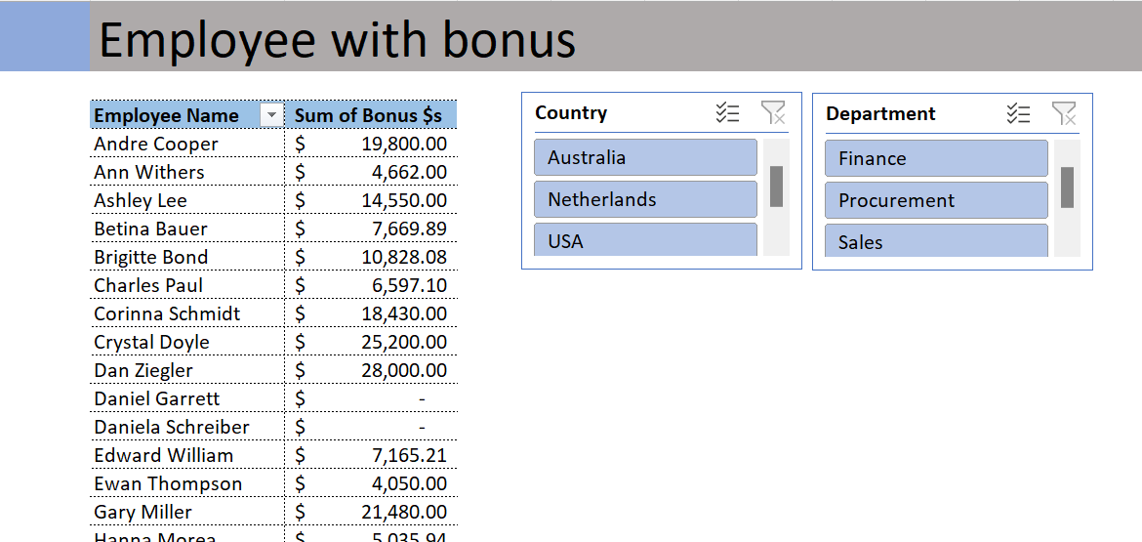
Employee Name | Sum of Bonus Amount
Andre Cooper | 19800
Ann Withers | 4662
Ashley Lee | 14550
Betina Bauer | 7669.89
Brigitte Bond | 10828.08
Charles Paul | 6597.1
Corinna Schmidt | 18430
Crystal Doyle | 25200
Dan Ziegler | 28000
Daniel Garrett | 0
Daniela Schreiber | 0
Edward William | 7165.21
Ewan Thompson | 4050
Gary Miller | 21480
Hanna Morea | 5035.94
Isaac Doantan | 12857.9
James Willard | 0
John Baptist | 17460
John Mark | 12800
John Mylas | 7716.38
Joseph Vinod | 8100
Kim West | 10720
Lenny Karwiz | 16623.4
Lukas Hofer | 3552
Mahitha Nowman | 8055
Maria Tot | 12636.25
Mercy Mayo | 9842
Mike Saban | 8100
Natalie Porter | 14000
Paul Garza | 2972.6
Paul Hill | 14611.25
Paul Wells | 18900
Peter Ramsy | 5053.33
Richard Elliot | 5035.94
Robert Blume | 0
Robert Musser | 0
Robert Richardson | 22500
Robert Spear | 9114.21
Roger Mun | 20000
Rose Kuntum | 11484.55
Ruth Joseph | 6428.95
Sarah Gavlace | 18795
Sharon Rose | 14400
Stephen Hawkings | 7272
Stephen Hughes | 15600
Stevie Bridge | 9398.16
Tim Watson | 10253.55
Tommy Lee | 0
Walter Miller | 5370
Wolfgang Ramjac | 4800

